TB.MA 32
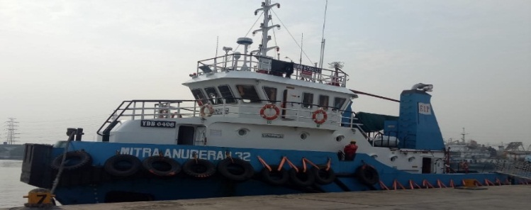
 | MASTER NAME : Capt Dari
 | PHONE NO : +87789905464
 | C/E NAME : EDISON KRISTOPEL
 | PHONE NO : +6281261769657
 | SAT PHONE : 021 509 159 83
 | Email : master.mitra.anugerah32@ekanuri.com

VESSEL NAME | TB MITRA ANUGERAH 32 (2000 hp)

VESSEL STATUS | ONHIRE
CLIENT/CHARTERER | PHE - OSES
VESSEL LOCATION | South Terminal CINTA
ON HIRE DATE | 6-Sep-19
CONTRACT DURATION | 3 Years
END CONTRACT DATE | 6-Sep-22
LAST EXTERNAL INSPECTION SIRE/PSC/PSA

LAST MANAGEMENT VISIT | 03 agustus 2020 (OPERATION)
LAST MARINE SUPERINTENDENT VISIT | 30 oct 2015/qhse
LAST MASTER ASSESMENT
LAST JOB VERIFICATION
LAST BPI SUPPLIED ONBOARD | 10/30/2015 BPI 33-39
LAST NTM SUPPLIED ONBOARD
CERTIFICATE EXPIRING IN 60 DAYS
NAME OF CERTIFICATE | EXPIRY DATE

1. sertifikat Minimum safe Manning | 25 Februari 2021
2. sertifikat nasional pencegahan pencemaran(NOPP) | 27 Januari 2021
3. sertifikat Ijin Radio kapal | 27 Februari 2021
4. sertifikat sanitation | 27 Februari 2021
5. Ijin Olah Gerak | 31 Desember 2020

CLASS CERTIFICATE
NEXT ANNUAL SURVEY WINDOW
NEXT DOCKING WINDOW
INTERMEDIATE WINDOW
SPECIAL SURVEY WINDOW

DEFECT REPORT
DEFECT | STATUS
1. nozel jet (kropos) | Waiting sparepart ( januari 2020)

FUEL CONSUMPTION OVER

CREW ROTATION IN 30 DAYS
CREW SIGN OFF | TENTATIVE DATE
VICTOR PRIMA ROMBE L - THIRD ENGINEER | 4 WEEK(ada crew change tanggal 08 Januari 2021)

CREW RELIEVER | TENTATIVE DATE SIGN ON

CREW EXPIRED CERTIFICATE
NAME OF CERTIFICATE /HOLDER | EXPIRY DATE

INSPECTION OUTSTANDING
NC/OBSERVATION ITEMS | STATUS

DECK REQUISITION
PR Number | PO Number | Item | Date Of Request | Subject PR

Outstanding Requisition
ENGINE REQUISITION
PR Number | PO Number | Item | Date Of Request | Subject PR

Outstanding Defect
Defect description | Date reported Based on statement Of fact | Status Open / Closed date

